Personel View
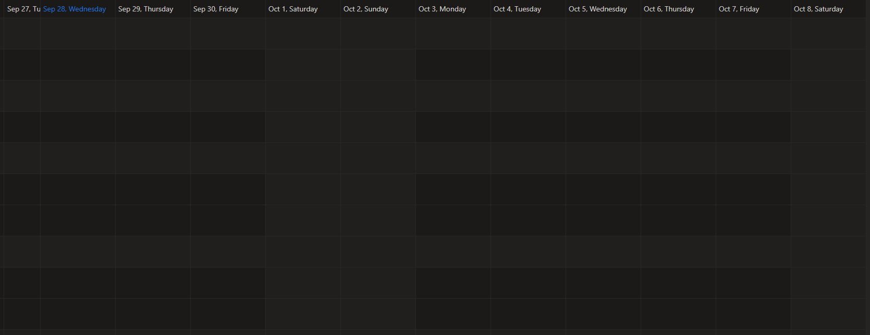
 | Add Position
Employee | Shift | Job Role
Jamie Conners | 3 | Operator
Jesse Bauder | 2 | Supervisor
Alex Delaney | 2 | Operator
Carter Wright | 1 | Supervisor
Duncan Glassford | 3 | Operator
Chris Haffner | 3 | Supervisor
Andre VanDusen | 2 | Operator
Robert Freeman | 1 | Operator

 |  |  | This is a view only board - change status of people when required Show all field employees and their schedule - scheduled days off, vacation, other days, training etc when looking at the 1 month view. Ability to filter by district, employee name, status (active, days off, vacation etc), position Show scheduled jobs from the truck board Sort by activity - if on days off, vacation, or no work - towards the bottom. On jobs, at the top, then active, then days off - easier to scroll

Bulk Scheduler
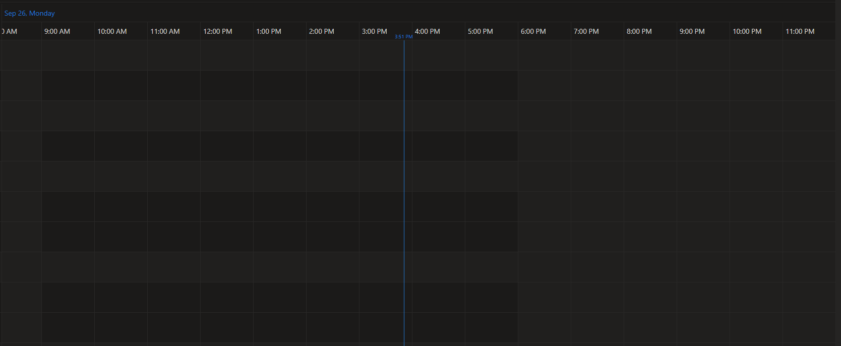
Product Hauls from eService
GP | Jim | 446015 | 21 | Productionmix LWL | People/Tractor
GP | Joe | 446014 | 18 | 0:1:0 'G'
FSJ | Fred | 446017 | 40 | Expandomix | Jim
Loyd | John | 446022 | 32 | ecoPRIME
Loyd | Adam | 446035 | 15 | ecoProteus Pro | Joe
GP | Jim | 446015 | 20 | ecoPRIME
GP | Jim | 446021 | 20 | Expandomix | Fred
Add tractor #, rig and customer to above list Upon "Need Haul" can something be added to the list so that it is known and can be planned? Add a haul that is not allocated to a person yet
 |  |  |  |  | John

 |  |  |  |  | Adam
Table to be filled out from scheduled hauls from eService. An entry can be dragged and dropped on the time schedule for an allotted time. The time scale should show 24 hrs. 4 previous hours and the next 20. This may include hours into the next days. Include 3rd party bulkers in the list. Ability to adjust haul length Add rig, location, project info that we have Hover to show certifications Calculate total trip time - distance/80 km/hr + offload time How to show hotel bookings Show trailer # in the scheduler Need to differentiate district in the People/Tractor list - Can be color, border, shading etc Distiction between hauls and jobs Once "On Location" entry disappears from the list, stays on the schedule. Ability to remove from the list from either this section or eService Rig Board.

Need a place to put notes about each drive - some have access to areas, some are going on days off, some are bins only

Truck Board
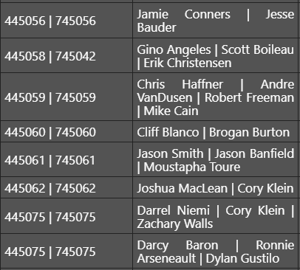
 | Time In | Time out | Called Time | Order Out
 |  |  | 11:30:00
 | 10:30:00 |  |  | 2
 |  |  | GTG | 1
 |  |  | 8:00:00
 | 7:00:00 |  |  | 3
 |  |  | 11:30:00
 |  |  | 20:00:00
 |  |  | 21:00:00

Crews and assetts from eService Resources. Show 24 hrs of activity Show all rig jobs on board. Allow drag and drop of unit & worker onto job. This will assign unit and employees to job and update eService Easly change crew to another job - drag crew from one job to another Crew to be managed in eService resources Have 1 row per job and add crew or should this be 1 row per crew and add job? Need to link to schedule for crossover days - need a date for working shift - Available Sept 21 - Oct 5 Allow ability to add multiple crews to a job (have confirmation when adding 2nd, 3rd crew to a job). Ability to filter by crew, truck, district.

